PI
M&A International Corp. Ltd.
APL Furniture Co. (Asia Pacific Ltd.)
PO-5638 - DELGADO - MEXICO
Item No. | Customer Model # | Product picture | Board Material (PB means PB) | Wood Color | Steel Tube Color | G.W(KGS) |  | CBM(M3) |  | QTY / PCS | PC / CTN | QTY / CTN | Unit price for general packing | Total US$
 |  |  |  |  |  | Unit | Total | Unit | Total | US$ FOB HUANGPU,GUANGZHOU
D1041M | HFE-2024N OAK |  | Computer Desk 15mm E1 PB+melamine desktop; E1 PB+melamine; steel tube with powder coating Pack in 2 ctn | FRONT PANEL in BLACK W9110-R, others are OAK 318-F | BLACK | 59.5 | 8,330.00 | 0.14429 | 20.200 | 140 | 2 | 70 | 75.35 | 10,549.00
D1041M | HFE-2024B GREY |  | Computer Desk 15mm E1 PB+melamine desktop; E1 PB+melamine; steel tube with powder coating Pack in 2 ctn | FRONT PANEL IN WHITE BT-196-F, others are DARK GREY OAK 318D-F | WHITE | 59.5 | 8,330.00 | 0.14429 | 20.200 | 140 | 2 | 70 | 75.35 | 10,549.00
D1192 | HFE-3015N OAK |  | Computer Desk E1 PB +Melamine; steel tube with powder coating | All in OAK 318-F | BLACK | 29.0 | 4,060.00 | 0.0695 | 9.730 | 140 | 1 | 140 | 40.10 | 5,614.00
D1247 | HFE-3025N OAK | 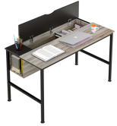 | Computer Desk E1 PB +Melamine; steel tube with powder coating | small desktop/opening desktop:BLACK W9110-R,others are OAK 318-F | BLACK | 23.9 | 2,629.00 | 0.0676 | 7.432 | 110 | 1 | 110 | 33.60 | 3,696.00
D1255 | HFE-3035B GREY |  | Computer Desk 26mm honeycomb desktop;E1 PB +Melamine; steel tube with powder coating | DARK GREY OAK 318D-F | WHITE | 32.8 | 3,280.00 | 0.0835 | 8.348 | 100 | 1 | 100 | 57.35 | 5,735.00

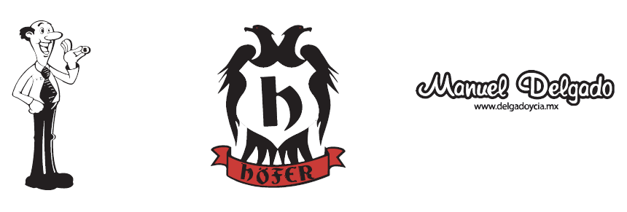
Total |  |  |  |  |  |  | 26,629.00 |  | 65.910 | 630 |  | 490 |  | 36,143.00
ESTE PEDIDO ES POR 1 CONTENEDOR DE 40'HQ COMPLETO
 | logo of carton

